1103測試與品質判定結果
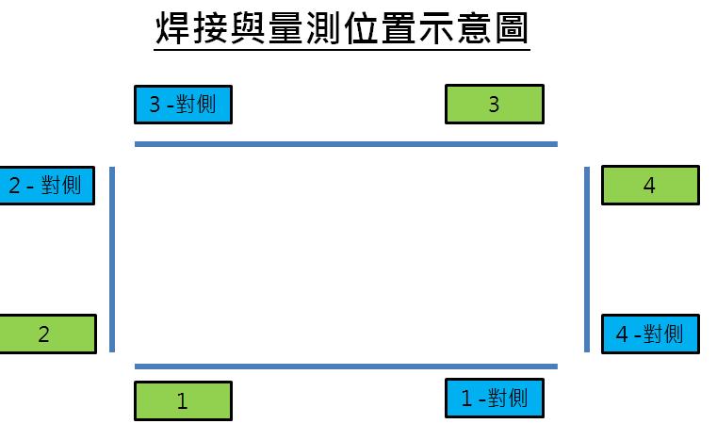 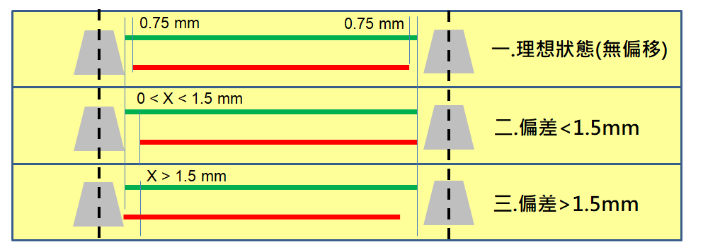 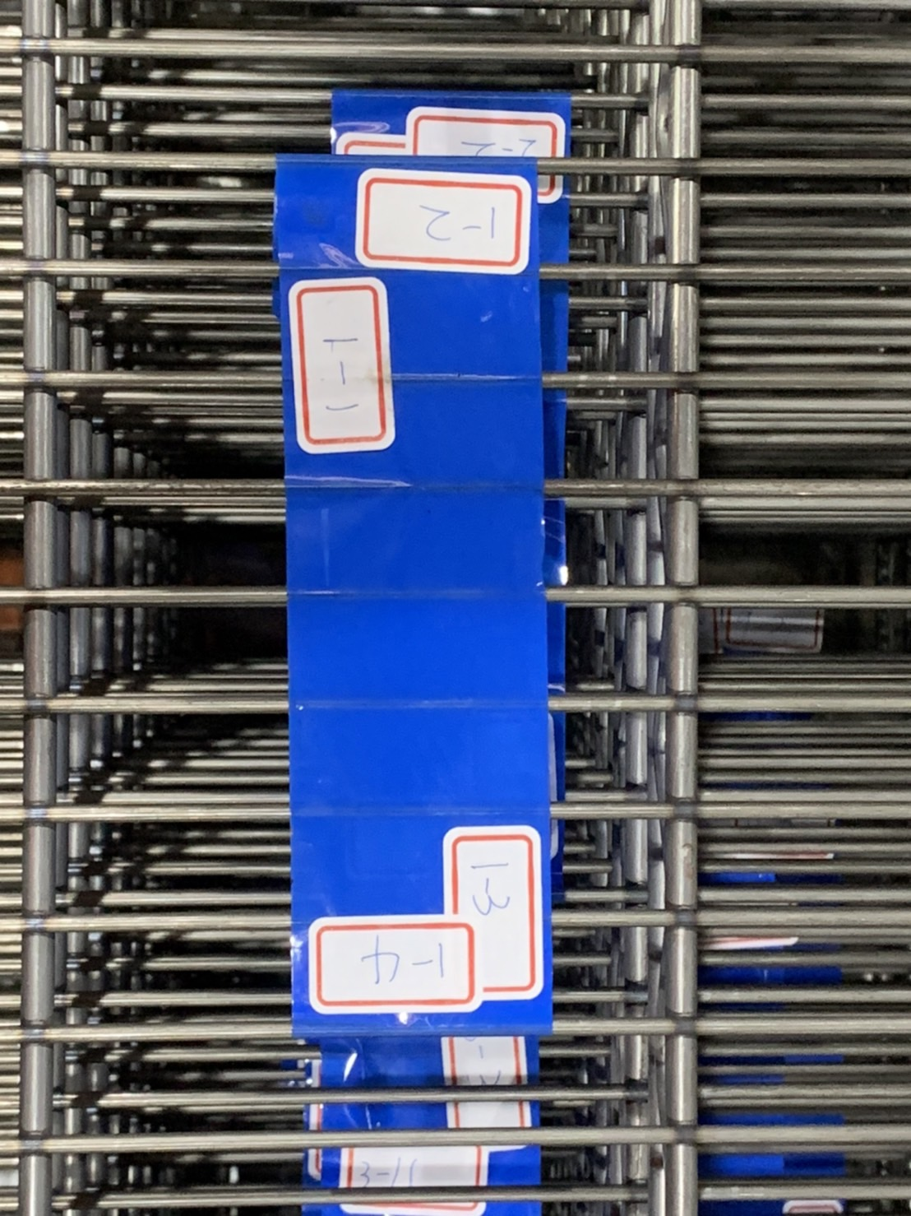
樣品 | 位置 | AOI 偏差值(上) -mm | AOI 偏差值(下) -mm | AOI 偏差值(X=下-上) -mm | 焊接品質判定 (OK/NG) (上) | 焊接品質判定 (OK/NG) (下) | 焊接品質判定 (OK/NG) (上)-對角 | 焊接品質判定 (OK/NG) (下)-對角 | 焊接品質判定 (OK/NG) (上)_排1 | 焊接品質判定 (OK/NG) (下)_排1 | 焊接品質判定 (OK/NG) (上)-對角_排1 | 焊接品質判定 (OK/NG) (下)-對角_排1 | d值_排1 | d值-對角_排1 | 樣品 | 位置 | AOI 偏差值(上) -mm | AOI 偏差值(下) -mm | AOI 偏差值(X=下-上) -mm | 焊接品質判定 (OK/NG) (上) | 焊接品質判定 (OK/NG) (下) | 焊接品質判定 (OK/NG) (上)-對角 | 焊接品質判定 (OK/NG) (下)-對角 | 焊接品質判定 (OK/NG) (上)_排2 | 焊接品質判定 (OK/NG) (下)_排2 | 焊接品質判定 (OK/NG) (上)-對角_排2 | 焊接品質判定 (OK/NG) (下)-對角_排2 | d值_排2 | d值-對角_排2
1 | 1 | 18.62 | 19.89 | 1.27 | OK | OK | OK | OK | OK | OK | OK | OK | 32.76 | 30.59 | 6 | 1 | 18.47 | 19.69 | 1.22 | OK | OK | OK | OK | OK | OK | OK | OK | 32.84 | 29.57
 | 2 | 16.26 | 17.43 | 1.17 | NG | OK | NG | OK | OK | OK | OK | NG | 30.06 | 33 |  | 2 | 18.3 | 22.94 | 4.64 | OK | OK | OK | NG | OK | OK | NG | OK | 29.76 | 32.61
 | 3 | 17.37 | 18.38 | 1.01 | OK | NG | OK | NG | OK | NG | NG | OK | 33.09 | 29.98 |  | 3 | 17.42 | 18.87 | 1.45 | NG | OK | OK | OK | OK | OK | OK | NG | 32.77 | 29.75
 | 4 | 19.18 | 19.93 | 0.75 | OK | OK | OK | OK | NG | OK | OK | OK | 29.83 | 33 |  | 4 | 16.55 | 17.61 | 1.06 | OK | OK | OK | OK | OK | OK | OK | OK | 30.25 | 32.73
2 | 1 | 16.61 | 19.43 | 2.82 | OK | OK | NG | NG | OK | NG | OK | OK | 32.5 | 30.73 | 7 | 1 | 17.52 | 20.17 | 2.65 | OK | OK | NG | OK | NG | OK | NG | OK | 32.39 | 29.96
 | 2 | 17.12 | 17.71 | 0.59 | OK | OK | OK | OK | OK | OK | OK | OK | 31.76 | 32.7 |  | 2 | 15.72 | 16.79 | 1.07 | NG | NG | OK | OK | OK | OK | OK | OK | 29.57 | 32.51
 | 3 | 18.38 | 19.46 | 1.08 | OK | OK | OK | NG | NG | NG | OK | OK | 32.79 | 30.09 |  | 3 | 17.8 | 19.81 | 2.01 | OK | OK | OK | OK | OK | OK | OK | OK | 32.54 | 29.85
 | 4 | 15.87 | 17.05 | 1.18 | OK | OK | OK | OK | OK | OK | OK | OK | 29.72 | 32.96 |  | 4 | 17.97 | 17.97 | 0 | OK | OK | NG | OK | NG | NG | OK | OK | 29.86 | 32.7
3 | 1 | 17.85 | 18.53 | 0.68 | OK | OK | NG | OK | NG | OK | NG | OK | 32.73 | 29.99 | 8 | 1 | 18.45 | 19.59 | 1.14 | NG | NG | OK | NG | NG | OK | OK | OK | 32.54 | 29.6
 | 2 | 17.95 | 17.95 | 0 | OK | OK | OK | OK | OK | NG | OK | NG | 29.61 | 32.29 |  | 2 | 17.9 | 18.37 | 0.47 | OK | NG | OK | OK | OK | NG | NG | NG | 29.73 | 32.6
 | 3 | 17.08 | 18.56 | 1.48 | OK | NG | OK | OK | OK | OK | OK | OK | 32.38 | 29.64 |  | 3 | 17.65 | 19.59 | 1.94 | OK | OK | NG | OK | OK | NG | NG | OK | 32.65 | 29.78
 | 4 | 16.14 | 17.22 | 1.08 | OK | NG | NG | OK | OK | OK | OK | OK | 29.92 | 32.58 |  | 4 | 15.86 | 17 | 1.14 | NG | OK | NG | OK | NG | OK | OK | OK | 29.74 | 32.71
4 | 1 | 17.96 | 20.36 | 2.4 | OK | OK | NG | OK | NG | OK | OK | OK | 32.37 | 29.77 | 9 | 1 | 17.51 | 19.53 | 2.02 | OK | OK | NG | OK | NG | OK | OK | OK | 32.83 | 30.1
 | 2 | 16.38 | 17.9 | 1.52 | OK | NG | OK | OK | OK | OK | NG | OK | 29.76 | 32.72 |  | 2 | 17.03 | 19.97 | 2.94 | OK | OK | OK | NG | OK | OK | NG | NG | 29.49 | 32.66
 | 3 | 18.33 | 19.01 | 0.68 | NG | OK | OK | OK | OK | OK | OK | OK | 32.94 | 29.8 |  | 3 | 19.25 | 20.57 | 1.32 | NG | NG | OK | OK | OK | OK | OK | NG | 32.58 | 30.12
 | 4 | 16.14 | 16.95 | 0.81 | OK | OK | OK | OK | OK | NG | OK | OK | 29.77 | 32.64 |  | 4 | NA | NA | #VALUE! | OK | OK | OK | OK | OK | OK | OK | OK | 29.69 | 32.36
5 | 1 | 18.86 | 19.44 | 0.58 | OK | OK | OK | OK | OK | OK | OK | OK | 32.36 | 30.05 | 10 | 1 | 17.87 | 19.55 | 1.68 | OK | NG | NG | OK | OK | OK | OK | OK | 32.71 | 30.09
 | 2 | 15.69 | 18.5 | 2.81 | NG | NG | OK | OK | NG | OK | OK | OK | 30.08 | 32.65 |  | 2 | 17.16 | 17.18 | 0.02 | OK | NG | OK | OK | OK | NG | OK | NG | 29.89 | 32.72
 | 3 | 17.02 | 19.31 | 2.29 | OK | OK | OK | OK | OK | OK | OK | OK | 32.53 | 30.15 |  | 3 | NA | NA | #VALUE! | OK | OK | OK | OK | NG | OK | NG | OK | 31.7 | 29.74
 | 4 | 17.31 | 17.31 | 0 | NG | OK | OK | OK | NG | NG | OK | OK | 29.78 | 32.73 |  | 4 | 17.28 | 17.28 | 0 | NG | OK | NG | OK | NG | OK | OK | OK | 29.87 | 32.55

